One page Profile
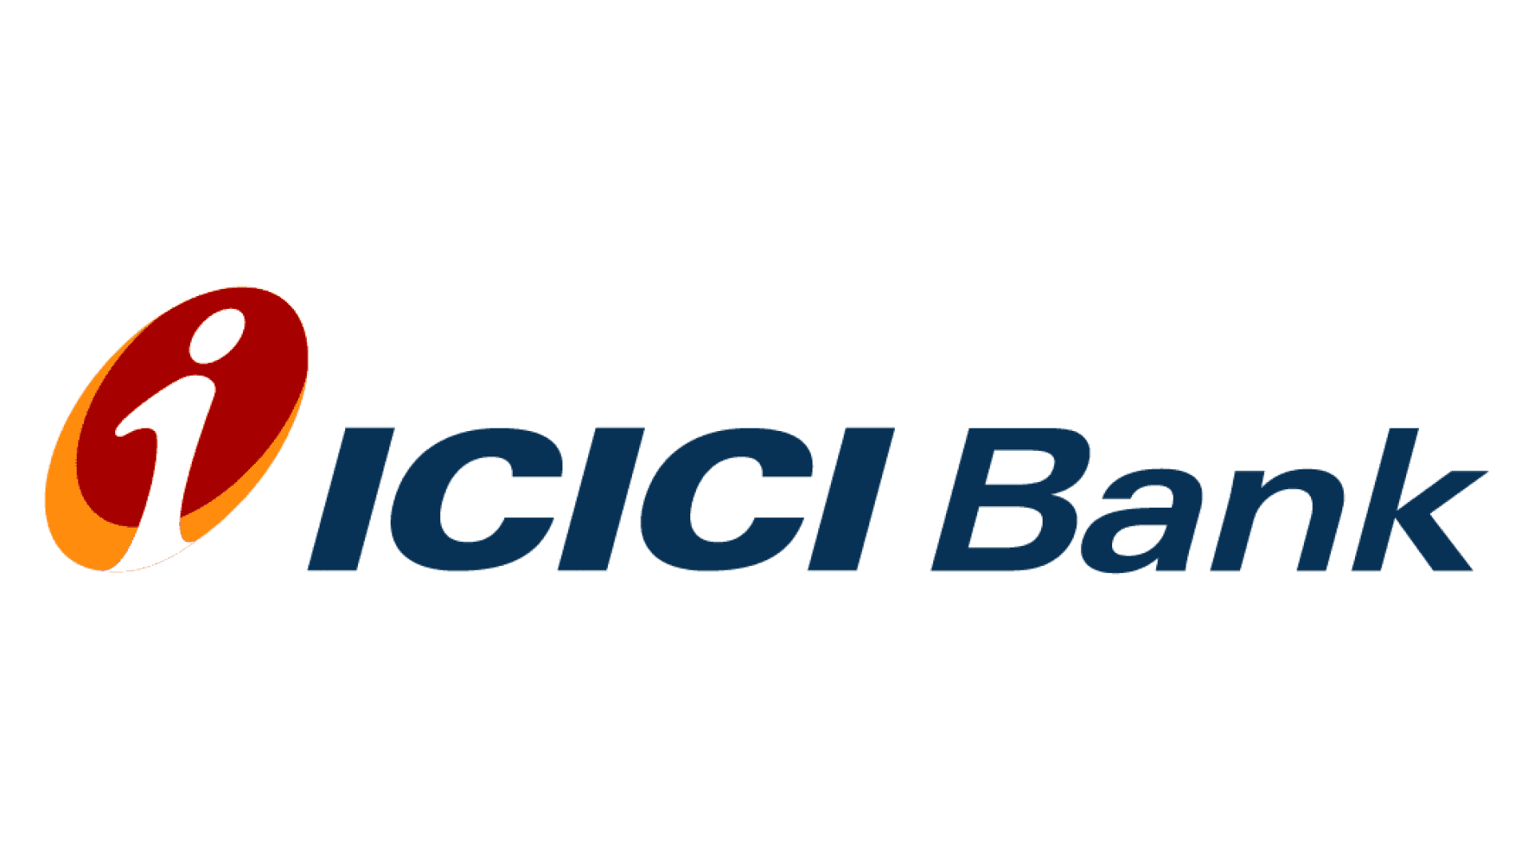
ICICI BANK LTD - One Page Profile

 | ICICI Bank is the second-largest private sector bank in India offering a diversified portfolio of financial products and services to retail, SME and corporate customers. The Bank has an extensive network of branches, ATMs and other touch-points.The ICICI group has presence in businesses like life and general insurance, housing finance, primary dealership, etc, through its subsidiaries and associates.
INR (Crs)
Key Financial Metrics | Mar-20 | Mar-21 | Mar-22 | Mar-23 | Mar-24 | Share Price 3 Years

 | Price
1-Mar-25 | 1,348.35
1-Feb-25 | 1,204.10
1-Jan-25 | 1,252.80
1-Dec-24 | 1,281.65
1-Nov-24 | 1,300.10
1-Oct-24 | 1,292.25
1-Sep-24 | 1,273.00
1-Aug-24 | 1,229.20
1-Jul-24 | 1,214.90
1-Jun-24 | 1,199.60
1-May-24 | 1,121.05
1-Apr-24 | 1,150.40
1-Mar-24 | 1,093.30
1-Feb-24 | 1,052.20
1-Jan-24 | 1,028.15
1-Dec-23 | 996.60
1-Nov-23 | 934.95
1-Oct-23 | 915.35
1-Sep-23 | 951.90
1-Aug-23 | 958.75
1-Jul-23 | 998.30
1-Jun-23 | 934.60
1-May-23 | 949.15
1-Apr-23 | 917.65
1-Mar-23 | 877.25
1-Feb-23 | 854.85
1-Jan-23 | 831.90
1-Dec-22 | 890.85
1-Nov-22 | 952.90
1-Oct-22 | 908.70
1-Sep-22 | 862.00
1-Aug-22 | 887.30
1-Jul-22 | 818.60
1-Jun-22 | 707.20
1-May-22 | 752.85
1-Apr-22 | 743.30
Total Sales | 84,836 | 89,163 | 95,407 | 121,067 | 159,516
Sales Growth (y-o-y) | 17.86% | 5.10% | 7.00% | 26.90% | 31.76%
Gross Profit Margin % | 97.62% | 97.56% | 97.17% | 97.14% | 97.73%
EBITDA Margin % | -0.62% | -2.41% | 15.31% | 27.42% | 37.59%
EBIT Margin % | -2.00% | -3.91% | 13.92% | 26.17% | 36.37%
Net Profit Margin (%) | 11.28% | 20.62% | 26.32% | 28.11% | 27.74%
Earnings Per Share ( In Rs.) | 14.78 | 26.58 | 36.14 | 48.74 | 63.02
EPS Growth (y-o-y) | 123.94% | 79.86% | 35.94% | 34.89% | 29.29%
Dividend Per Share | - | 2.00 | 5.00 | 8.00 | 10.00
DPS Growth (y-o-y) | - | 150.00% | 60.00% | 25.00% | -100.00%

Key Financial Ratios | Mar-20 | Mar-21 | Mar-22 | Mar-23 | Mar-24 | Volume Trends 3 Years

 | Vol.
1-Mar-25 | 252.81
1-Feb-25 | 183.61
1-Jan-25 | 230.11
1-Dec-24 | 254.02
1-Nov-24 | 233.97
1-Oct-24 | 309.15
1-Sep-24 | 325.32
1-Aug-24 | 252.92
1-Jul-24 | 338.19
1-Jun-24 | 445.49
1-May-24 | 298.17
1-Apr-24 | 288.15
1-Mar-24 | 351.93
1-Feb-24 | 275.65
1-Jan-24 | 414.86
1-Dec-23 | 337.50
1-Nov-23 | 250.22
1-Oct-23 | 210.60
1-Sep-23 | 321.39
1-Aug-23 | 419.88
1-Jul-23 | 373.79
1-Jun-23 | 315.85
1-May-23 | 400.25
1-Apr-23 | 477.53
1-Mar-23 | 353.37
1-Feb-23 | 255.98
1-Jan-23 | 321.39
1-Dec-22 | 232.25
1-Nov-22 | 244.00
1-Oct-22 | 194.70
1-Sep-22 | 257.56
1-Aug-22 | 247.20
1-Jul-22 | 216.49
1-Jun-22 | 237.33
1-May-22 | 270.16
1-Apr-22 | 331.47
Price to Earning Ratio | 21.91x | 21.90x | 20.21x | 18.00x | 17.35x
EV/Ebitda | -2088.35x | -633.11x | 107.97x | 56.50x | 37.63x
EV/Sales | 12.92x | 15.24x | 16.53x | 15.50x | 14.14x
Price to book value | 1.15x | 1.88x | 1.98x | 2.86x | 3.00x
Return on Equity (%) | 7.78% | 11.67% | 13.79% | 15.87% | 17.28%
Return on Capital Employed (%) | 5.90% | 5.73% | 5.59% | 6.35% | 7.64%

Top 10 Shareholders | No, of Shares (in Crs.) |  | Shareholding (%) | Market Value ( in Crs.) |  | Shareholing pattern

FII | 45.70%
DII | 44.95%
Government & Public | 9.35%
LIFE INSURANCE CORPORATION OF INDIA | 41.0 |  | 7.14% | 55,264.7
SBI MUTUAL FUND | 37.5 |  | 6.53% | 50,513.2
ICICI PRUDENTIAL MUTUAL FUND | 25.6 |  | 4.47% | 34,581.3
HDFC MUTUAL FUND | 21.1 |  | 3.67% | 28,413.1
NPS TRUST | 14.6 |  | 2.54% | 19,655.9
GOVERNMENT OF SINGAPORE | 14.4 |  | 2.51% | 19,403.0
UTI MUTUAL FUND | 13.9 |  | 2.43% | 18,792.5
NIPPON LIFE INDIA MUTUAL FUND | 12.4 |  | 2.16% | 16,711.6
GOVERNMENT PENSION FUND GLOBAL | 9.7 |  | 1.68% | 13,025.6
SBI LIFE INSURANCE COMPANY LIMITED | 8.8 |  | 1.54% | 11,909.0
 |  |  |  |  | Figures in Crs
Managerial Remunration | Designation | Remunration |  | x of Median Salary |  | Capital Structure

Mr.Sandeep Bakhshi | MD & CEO | 9,995.51 |  | 120x |  | Share Price as on 28/3/2025 | 1337
Mr.Sandeep Batra | Exce. Director | 8,904.57 |  | 104x |  | Number of Share o/s | 707
Mr.Rakesh Jha | Exce. Director | 8,419.48 |  | 104x |  | Market Capitalization | 944,820
Mr.Ajay Kumar Gupta | Exce. Director | 4,840.05 |  | 104x |  | Less: Cash & Equivalents | (162,769)
Notes: |  |  |  |  |  | Add: Total Debt | 1,651,008
The percentage increase in the median remuneration of employees in the financial year was around 12.6%. |  |  |  |  |  | Add: Minority Interest | 13888
In fiscal 2024, employee salaries rose by 13% on average, while Key Managerial Personnel saw increases of 4%–30%. |  |  |  |  |  | Enterprise Value | 2,446,947
ICICI Bank has 141,009 employees, with 135,900 on permanent rolls, including overseas staff.

Recent Updates

ICICI Bank issued 516,121 shares under its Employee Stock Option Scheme-2000.
ICICI Securities is now fully owned by ICICI Bank and has been delisted to simplify operations and improve services.
ICICI Bank installs units to produce water from atmospheric moisture.
ICICI Bank denies mass layoffs, calling it voluntary abandonment of services.

Source: Screener.in, Investing.com, NSE.com, Annual Reports, Marketwatch, Mint, Bussines Finance News, Equitymasters.com By Abhishek Khawale

Rough
Date | Price
1-Mar-25 | 1,348.35
1-Feb-25 | 1,204.10
1-Jan-25 | 1,252.80
1-Dec-24 | 1,281.65
1-Nov-24 | 1,300.10
1-Oct-24 | 1,292.25
1-Sep-24 | 1,273.00
1-Aug-24 | 1,229.20
1-Jul-24 | 1,214.90
1-Jun-24 | 1,199.60
1-May-24 | 1,121.05
1-Apr-24 | 1,150.40
1-Mar-24 | 1,093.30
1-Feb-24 | 1,052.20
1-Jan-24 | 1,028.15
1-Dec-23 | 996.60
1-Nov-23 | 934.95
1-Oct-23 | 915.35
1-Sep-23 | 951.90
1-Aug-23 | 958.75
1-Jul-23 | 998.30
1-Jun-23 | 934.60
1-May-23 | 949.15
1-Apr-23 | 917.65
1-Mar-23 | 877.25
1-Feb-23 | 854.85
1-Jan-23 | 831.90
1-Dec-22 | 890.85
1-Nov-22 | 952.90
1-Oct-22 | 908.70
1-Sep-22 | 862.00
1-Aug-22 | 887.30
1-Jul-22 | 818.60
1-Jun-22 | 707.20
1-May-22 | 752.85
1-Apr-22 | 743.30

Sheet3
Date | Vol.
1-Mar-25 | 252.81
1-Feb-25 | 183.61
1-Jan-25 | 230.11
1-Dec-24 | 254.02
 | Vol.
1-Mar-25 | 252.81
1-Feb-25 | 183.61
1-Jan-25 | 230.11
1-Dec-24 | 254.02
1-Nov-24 | 233.97
1-Oct-24 | 309.15
1-Sep-24 | 325.32
1-Aug-24 | 252.92
1-Jul-24 | 338.19
1-Jun-24 | 445.49
1-May-24 | 298.17
1-Apr-24 | 288.15
1-Mar-24 | 351.93
1-Feb-24 | 275.65
1-Jan-24 | 414.86
1-Dec-23 | 337.50
1-Nov-23 | 250.22
1-Oct-23 | 210.60
1-Sep-23 | 321.39
1-Aug-23 | 419.88
1-Jul-23 | 373.79
1-Jun-23 | 315.85
1-May-23 | 400.25
1-Apr-23 | 477.53
1-Mar-23 | 353.37
1-Feb-23 | 255.98
1-Jan-23 | 321.39
1-Dec-22 | 232.25
1-Nov-22 | 244.00
1-Oct-22 | 194.70
1-Sep-22 | 257.56
1-Aug-22 | 247.20
1-Jul-22 | 216.49
1-Jun-22 | 237.33
1-May-22 | 270.16
1-Apr-22 | 331.47
1-Nov-24 | 233.97
1-Oct-24 | 309.15
1-Sep-24 | 325.32
1-Aug-24 | 252.92
1-Jul-24 | 338.19
1-Jun-24 | 445.49
1-May-24 | 298.17
1-Apr-24 | 288.15
1-Mar-24 | 351.93
1-Feb-24 | 275.65
1-Jan-24 | 414.86
1-Dec-23 | 337.50
1-Nov-23 | 250.22
1-Oct-23 | 210.60
1-Sep-23 | 321.39
1-Aug-23 | 419.88
1-Jul-23 | 373.79
1-Jun-23 | 315.85
1-May-23 | 400.25
1-Apr-23 | 477.53
1-Mar-23 | 353.37
1-Feb-23 | 255.98
1-Jan-23 | 321.39
1-Dec-22 | 232.25
1-Nov-22 | 244.00
1-Oct-22 | 194.70 |  |  |  |  |  | 1,348.35
1-Sep-22 | 257.56 |  |  |  | 10000000
1-Aug-22 | 247.20 |  |  |  |  | 100
1-Jul-22 | 216.49 | Shareholder's name | No, of Shares (in Crs.) | Shareholding (%) | Market Value ( in Crs.)
1-Jun-22 | 237.33 | LIFE INSURANCE CORPORATION OF INDIA | 41.0 | 7.14% | 55,264.7
1-May-22 | 270.16 | SBI MUTUAL FUND | 37.5 | 6.53% | 50,513.2
1-Apr-22 | 331.47 | ICICI PRUDENTIAL MUTUAL FUND | 25.6 | 4.47% | 34,581.3
 |  | HDFC MUTUAL FUND | 21.1 | 3.67% | 28,413.1
 |  | NPS TRUST | 14.6 | 2.54% | 19,655.9
 |  | GOVERNMENT OF SINGAPORE | 14.4 | 2.51% | 19,403.0
 |  | UTI MUTUAL FUND | 13.9 | 2.43% | 18,792.5
 |  | NIPPON LIFE INDIA MUTUAL FUND | 12.4 | 2.16% | 16,711.6
 |  | GOVERNMENT PENSION FUND GLOBAL | 9.7 | 1.68% | 13,025.6
 |  | SBI LIFE INSURANCE COMPANY LIMITED | 8.8 | 1.54% | 11,909.0

 |  | FII | 45.70%
 |  | DII | 44.95%
 |  | Government & Public | 9.35%

 |  |  |  |  |  |  | Sandeep Bakhshi, Managing Director & CEO | 120:1
 |  |  |  |  |  |  | Sandeep Batra | 104:1
 |  |  |  |  |  |  | Rakesh Jha | 104:1
 |  |  |  |  |  |  | Ajay Kumar Gupta | 104:1

